Battery PCB wiring diagram
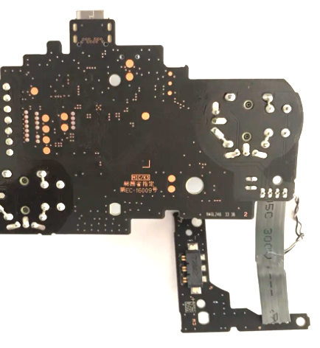
Use orientation shown below for assembly guidelines

